TOTAL
Alkalmazott szűrők: TRANSPORT_MODE egyezik ezzel: Sea Reference type egyezik ezzel: Highlighted references only „QUERY_List_Carrier_name_EDIQ_Act”[LSP] egyezik ezzel: Maersk Date ekkori vagy későbbi a következőnél: 2026.03.02. 0:00:00 és dátuma korábbi, mint 2026.03.09. 0:00:00 SHIPMENT_CANCELLED egyezik ezzel: (Üres) Previous and next 1 year egyezik ezzel: Y KPI_Category nem egyezik ezzel: Mapping

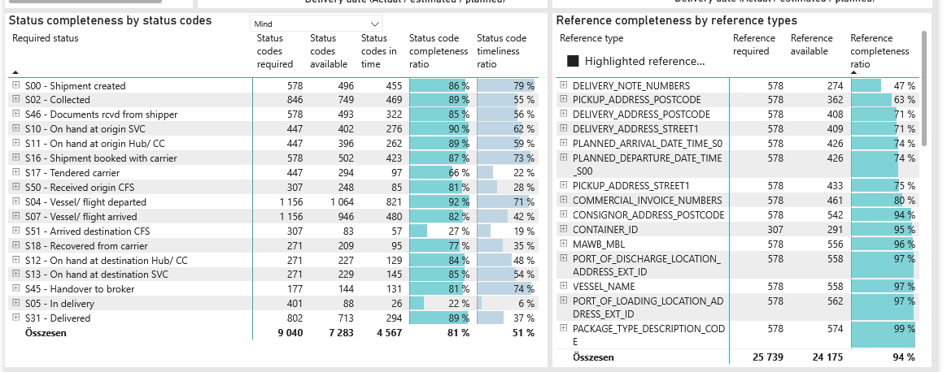
Required status | Status type | „QUERY_List_Carrier_EDIQ_Act”[LSP] | Status codes required | Status codes available | Status codes in time | Status code completeness ratio | Status code timeliness ratio
S00 - Shipment created | Actual | Maersk | 578 | 496 | 455 | 86 % | 79 %
S02 - Collected | Estimated | Maersk | 423 | 378 | 321 | 89 % | 76 %
S02 - Collected | Actual | Maersk | 423 | 371 | 148 | 88 % | 35 %
S46 - Documents rcvd from shipper | Actual | Maersk | 578 | 493 | 322 | 85 % | 56 %
S10 - On hand at origin SVC | Actual | Maersk | 447 | 402 | 276 | 90 % | 62 %
S11 - On hand at origin Hub/ CC | Actual | Maersk | 447 | 396 | 262 | 89 % | 59 %
S16 - Shipment booked with carrier | Actual | Maersk | 578 | 502 | 423 | 87 % | 73 %
S17 - Tendered carrier | Actual | Maersk | 447 | 294 | 97 | 66 % | 22 %
S50 - Received origin CFS | Actual | Maersk | 307 | 248 | 85 | 81 % | 28 %
S04 - Vessel/ flight departed | Estimated | Maersk | 578 | 551 | 479 | 95 % | 83 %
S04 - Vessel/ flight departed | Actual | Maersk | 578 | 513 | 342 | 89 % | 59 %
S07 - Vessel/ flight arrived | Estimated | Maersk | 578 | 539 | 186 | 93 % | 32 %
S07 - Vessel/ flight arrived | Actual | Maersk | 578 | 407 | 294 | 70 % | 51 %
S51 - Arrived destination CFS | Actual | Maersk | 307 | 83 | 57 | 27 % | 19 %
S18 - Recovered from carrier | Actual | Maersk | 271 | 209 | 95 | 77 % | 35 %
S12 - On hand at destination Hub/ CC | Actual | Maersk | 271 | 227 | 129 | 84 % | 48 %
S13 - On hand at destination SVC | Actual | Maersk | 271 | 229 | 145 | 85 % | 54 %
S45 - Handover to broker | Actual | Maersk | 177 | 144 | 131 | 81 % | 74 %
S05 - In delivery | Actual | Maersk | 401 | 88 | 26 | 22 % | 6 %
S31 - Delivered | Estimated | Maersk | 401 | 365 | 252 | 91 % | 63 %
S31 - Delivered | Actual | Maersk | 401 | 348 | 42 | 87 % | 10 %

FCL
Alkalmazott szűrők: TRANSPORT_MODE egyezik ezzel: Sea TRANSPORT_SERVICE_PRIORITY egyezik ezzel: FCL/FCL/FCL Reference type egyezik ezzel: Highlighted references only „QUERY_List_Carrier_name_EDIQ_Act”[LSP] egyezik ezzel: Maersk Date ekkori vagy későbbi a következőnél: 2026.03.02. 0:00:00 és dátuma korábbi, mint 2026.03.09. 0:00:00 SHIPMENT_CANCELLED egyezik ezzel: (Üres) Previous and next 1 year egyezik ezzel: Y KPI_Category nem egyezik ezzel: Mapping

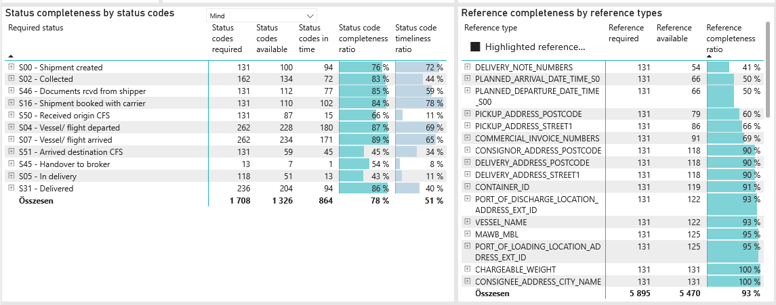
Required status | Status type | „QUERY_List_Carrier_EDIQ_Act”[LSP] | Status codes required | Status codes available | Status codes in time | Status code completeness ratio | Status code timeliness ratio
S00 - Shipment created | Actual | Maersk | 131 | 100 | 94 | 76 % | 72 %
S02 - Collected | Estimated | Maersk | 81 | 71 | 52 | 88 % | 64 %
S02 - Collected | Actual | Maersk | 81 | 63 | 20 | 78 % | 25 %
S46 - Documents rcvd from shipper | Actual | Maersk | 131 | 112 | 77 | 85 % | 59 %
S16 - Shipment booked with carrier | Actual | Maersk | 131 | 110 | 102 | 84 % | 78 %
S50 - Received origin CFS | Actual | Maersk | 131 | 87 | 15 | 66 % | 11 %
S04 - Vessel/ flight departed | Estimated | Maersk | 131 | 117 | 108 | 89 % | 82 %
S04 - Vessel/ flight departed | Actual | Maersk | 131 | 111 | 72 | 85 % | 55 %
S07 - Vessel/ flight arrived | Estimated | Maersk | 131 | 121 | 76 | 92 % | 58 %
S07 - Vessel/ flight arrived | Actual | Maersk | 131 | 113 | 95 | 86 % | 73 %
S51 - Arrived destination CFS | Actual | Maersk | 131 | 59 | 45 | 45 % | 34 %
S45 - Handover to broker | Actual | Maersk | 13 | 7 | 1 | 54 % | 8 %
S05 - In delivery | Actual | Maersk | 118 | 51 | 13 | 43 % | 11 %
S31 - Delivered | Estimated | Maersk | 118 | 100 | 72 | 85 % | 61 %
S31 - Delivered | Actual | Maersk | 118 | 104 | 22 | 88 % | 19 %

BCO
Alkalmazott szűrők: TRANSPORT_MODE egyezik ezzel: Sea TRANSPORT_SERVICE_PRIORITY egyezik ezzel: LCL/FCL/FCL Reference type egyezik ezzel: Highlighted references only „QUERY_List_Carrier_name_EDIQ_Act”[LSP] egyezik ezzel: Maersk Date ekkori vagy későbbi a következőnél: 2026.03.02. 0:00:00 és dátuma korábbi, mint 2026.03.09. 0:00:00 SHIPMENT_CANCELLED egyezik ezzel: (Üres) Previous and next 1 year egyezik ezzel: Y KPI_Category nem egyezik ezzel: Mapping

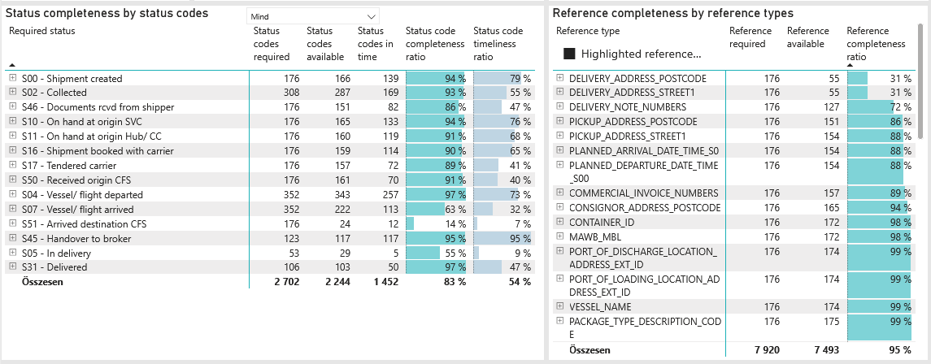
Required status | Status type | „QUERY_List_Carrier_EDIQ_Act”[LSP] | Status codes required | Status codes available | Status codes in time | Status code completeness ratio | Status code timeliness ratio
S00 - Shipment created | Actual | Maersk | 176 | 166 | 139 | 94 % | 79 %
S02 - Collected | Estimated | Maersk | 154 | 140 | 120 | 91 % | 78 %
S02 - Collected | Actual | Maersk | 154 | 147 | 49 | 95 % | 32 %
S46 - Documents rcvd from shipper | Actual | Maersk | 176 | 151 | 82 | 86 % | 47 %
S10 - On hand at origin SVC | Actual | Maersk | 176 | 165 | 133 | 94 % | 76 %
S11 - On hand at origin Hub/ CC | Actual | Maersk | 176 | 160 | 119 | 91 % | 68 %
S16 - Shipment booked with carrier | Actual | Maersk | 176 | 159 | 114 | 90 % | 65 %
S17 - Tendered carrier | Actual | Maersk | 176 | 157 | 72 | 89 % | 41 %
S50 - Received origin CFS | Actual | Maersk | 176 | 161 | 70 | 91 % | 40 %
S04 - Vessel/ flight departed | Estimated | Maersk | 176 | 174 | 153 | 99 % | 87 %
S04 - Vessel/ flight departed | Actual | Maersk | 176 | 169 | 104 | 96 % | 59 %
S07 - Vessel/ flight arrived | Estimated | Maersk | 176 | 171 | 67 | 97 % | 38 %
S07 - Vessel/ flight arrived | Actual | Maersk | 176 | 51 | 46 | 29 % | 26 %
S51 - Arrived destination CFS | Actual | Maersk | 176 | 24 | 12 | 14 % | 7 %
S45 - Handover to broker | Actual | Maersk | 123 | 117 | 117 | 95 % | 95 %
S05 - In delivery | Actual | Maersk | 53 | 29 | 5 | 55 % | 9 %
S31 - Delivered | Estimated | Maersk | 53 | 52 | 36 | 98 % | 68 %
S31 - Delivered | Actual | Maersk | 53 | 51 | 14 | 96 % | 26 %

LCL
Alkalmazott szűrők: TRANSPORT_MODE egyezik ezzel: Sea TRANSPORT_SERVICE_PRIORITY egyezik ezzel: LCL/LCL/LCL Reference type egyezik ezzel: Highlighted references only „QUERY_List_Carrier_name_EDIQ_Act”[LSP] egyezik ezzel: Maersk Date ekkori vagy későbbi a következőnél: 2026.03.02. 0:00:00 és dátuma korábbi, mint 2026.03.09. 0:00:00 SHIPMENT_CANCELLED egyezik ezzel: (Üres) Previous and next 1 year egyezik ezzel: Y KPI_Category nem egyezik ezzel: Mapping

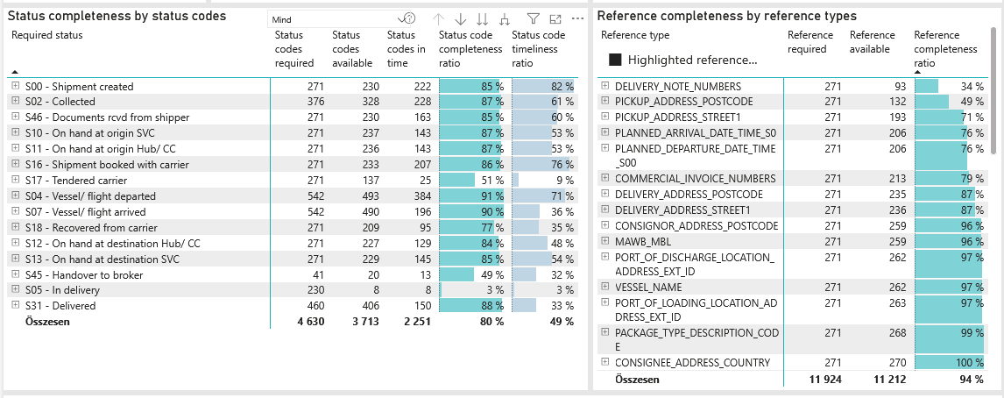
Required status | Status type | „QUERY_List_Carrier_EDIQ_Act”[LSP] | Status codes required | Status codes available | Status codes in time | Status code completeness ratio | Status code timeliness ratio
S00 - Shipment created | Actual | Maersk | 271 | 230 | 222 | 85 % | 82 %
S02 - Collected | Estimated | Maersk | 188 | 167 | 149 | 89 % | 79 %
S02 - Collected | Actual | Maersk | 188 | 161 | 79 | 86 % | 42 %
S46 - Documents rcvd from shipper | Actual | Maersk | 271 | 230 | 163 | 85 % | 60 %
S10 - On hand at origin SVC | Actual | Maersk | 271 | 237 | 143 | 87 % | 53 %
S11 - On hand at origin Hub/ CC | Actual | Maersk | 271 | 236 | 143 | 87 % | 53 %
S16 - Shipment booked with carrier | Actual | Maersk | 271 | 233 | 207 | 86 % | 76 %
S17 - Tendered carrier | Actual | Maersk | 271 | 137 | 25 | 51 % | 9 %
S04 - Vessel/ flight departed | Estimated | Maersk | 271 | 260 | 218 | 96 % | 80 %
S04 - Vessel/ flight departed | Actual | Maersk | 271 | 233 | 166 | 86 % | 61 %
S07 - Vessel/ flight arrived | Estimated | Maersk | 271 | 247 | 43 | 91 % | 16 %
S07 - Vessel/ flight arrived | Actual | Maersk | 271 | 243 | 153 | 90 % | 56 %
S18 - Recovered from carrier | Actual | Maersk | 271 | 209 | 95 | 77 % | 35 %
S12 - On hand at destination Hub/ CC | Actual | Maersk | 271 | 227 | 129 | 84 % | 48 %
S13 - On hand at destination SVC | Actual | Maersk | 271 | 229 | 145 | 85 % | 54 %
S45 - Handover to broker | Actual | Maersk | 41 | 20 | 13 | 49 % | 32 %
S05 - In delivery | Actual | Maersk | 230 | 8 | 8 | 3 % | 3 %
S31 - Delivered | Estimated | Maersk | 230 | 213 | 144 | 93 % | 63 %
S31 - Delivered | Actual | Maersk | 230 | 193 | 6 | 84 % | 3 %

